Sheet1
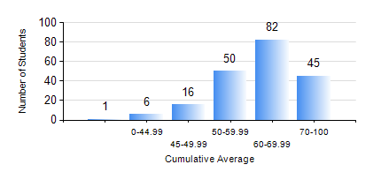
 |  |  | KWAME NKRUMAH UNIVERSITY OF SCIENCE AND TECHNOLOGY, KUMASI Department of Telecommunication Engineering

 |  |  | BSC. TELECOMMUNICATION ENG.

 |  |  | COMPREHENSIVE RECORD OF EXAMINATION RESULTS

 |  |  | RESULTS OF YEAR 3 FIRST SEMESTER, 2022/2023 ACADEMIC YEAR

 | Sn | Course Code |  | Course Name | Credit Hours | Min. Mark | Max. Mark | Avg. Mark | Std. Dev. | No. Passed | No. Trailed | No. (Df) | No. (I) | No. (I*) | No. Tagged(I,I*,Df) | Total
 | 0. |  |  |  |  |  |  | 0 | 0 | 0 | 0 | 0 | 0 | 0 | 0 | 10
 | 1. | COE 381 |  | MICROPROCESSORS | 3 | 0 | 95 | 78 | 8.89 | 189 | 1 | 0 | 0 | 0 | 0 | 190
 | 2. | EE 371 |  | LINEAR ELECTRONIC CIRCUITS | 3 | 7 | 93 | 57 | 13.15 | 175 | 15 | 0 | 0 | 0 | 0 | 190
 | 3. | MATH 351 |  | NUMERICAL ANALYSIS | 2 | 0 | 83 | 59 | 9.92 | 187 | 3 | 0 | 0 | 0 | 0 | 190
 | 4. | STAT 253 |  | PROBABILITY AND STATISTICS | 2 | 0 | 81 | 51 | 13.49 | 154 | 36 | 0 | 0 | 0 | 0 | 190
 | 5. | TE 361 |  | INFORMATION THEORY | 2 | 0 | 91 | 53 | 16.03 | 157 | 33 | 0 | 0 | 0 | 0 | 190
 | 6. | TE 381 |  | OPTICAL COMMUNICATIONS | 2 | 0 | 87 | 56 | 15.66 | 173 | 17 | 0 | 0 | 0 | 0 | 190
 | 7. | TE 385 |  | SIGNALS AND SYSTEMS | 2 | 0 | 88 | 58 | 15.4 | 178 | 12 | 0 | 0 | 0 | 0 | 190
 | 8. | TE 391 |  | TELECOMMUNICATIONS LAB III | 2 | 38 | 89 | 75 | 8.91 | 188 | 1 | 1 | 0 | 0 | 1 | 190

